TASK 1
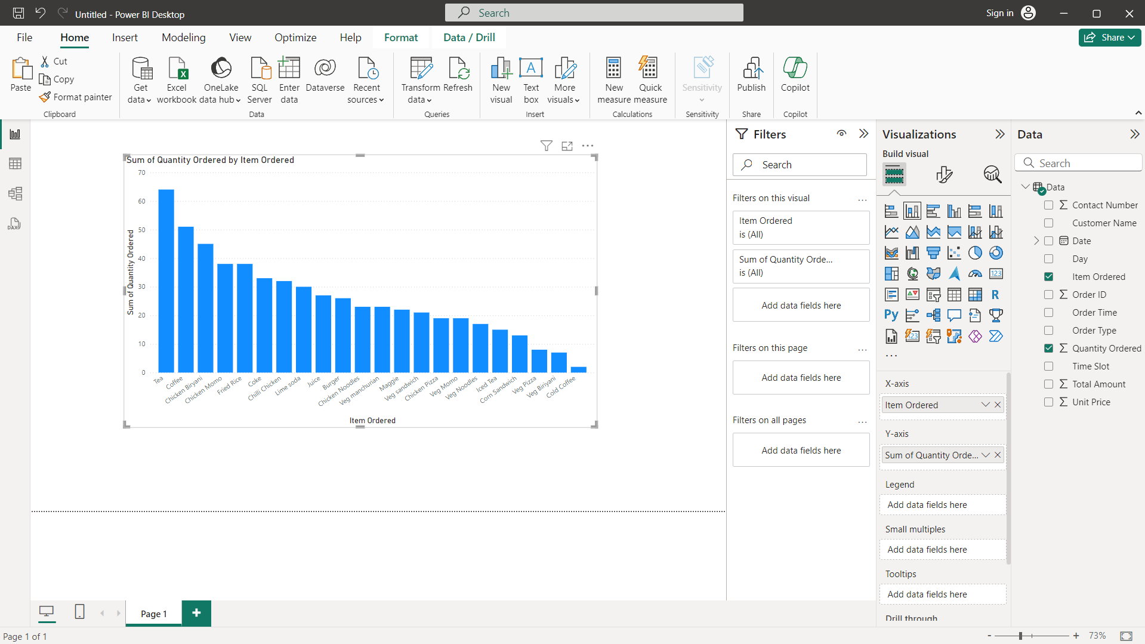
1.Which item is sold the most and which item is sold the least?

TASK 2
2.Are more units ordered against lower-priced items or higher-priced items in a single order?

 | Quantity Ordered
85 | 2
20 | 1
80 | 1
50 | 1
50 | 1
85 | 1
60 | 1
65 | 1
20 | 1
80 | 1
85 | 1
20 | 1
90 | 2
120 | 1
70 | 1
140 | 2
90 | 1
90 | 3
95 | 2
120 | 1
110 | 1
90 | 1
160 | 1
40 | 4
120 | 1
55 | 1
20 | 3
50 | 2
40 | 1
80 | 1
90 | 2
80 | 1
110 | 1
80 | 3
90 | 1
140 | 2
80 | 1
50 | 2
75 | 1
20 | 1
40 | 1
20 | 3
50 | 1
110 | 2
90 | 1
95 | 1
140 | 1
90 | 1
160 | 2
140 | 1
...

TASK 3
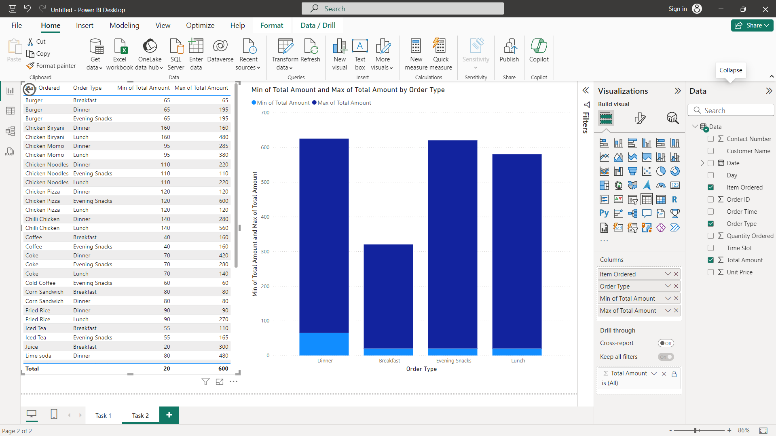
3.What items are sold more and what items are sold less in what type of meal?

TASK 4
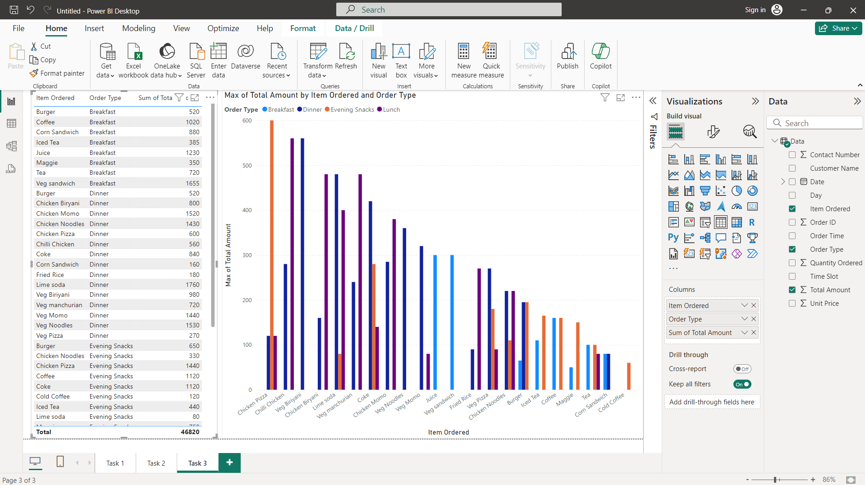
4.Sale of which items in what type of meal generate a greater amount of sales?
ANS - In Evening Snack Chicken Pizza generated greater amount of sales

TASK 5
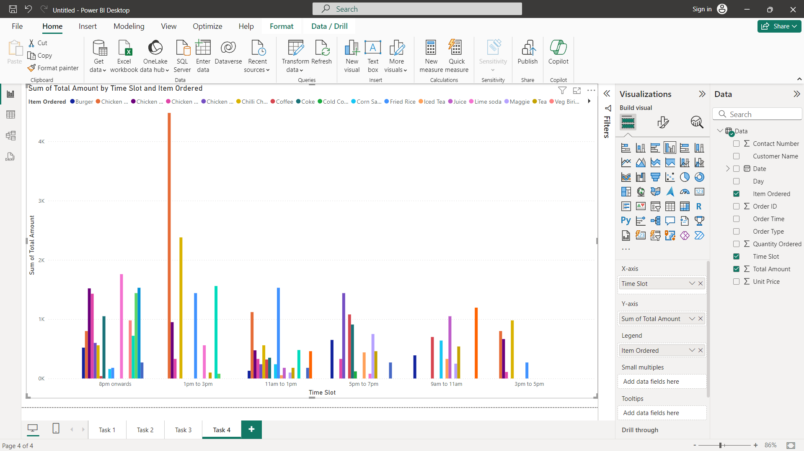
5.Should the company continue offering all items at different times of the day?
ANS - Yes, the company continue offering all items at different times in a day.

